TEST
DRAFT - PENDING FINAL SCREENS
[Samsung SHOP] Test scenario

Feature Type |  |  |  |  | Test URL |  |  |  |  | Tester
Checkout |  |  |  |  | http://sabre-staging.shop.samsung.com/uk/

No | Category | Content | Detail Content | NO | Test Scenario | Condition | Expected Result | Pass/Fail | Actual Result | Sheet No. | Remark

Order Scenario

1 | Sign in (optional step) | Sign in (optional step) | Sign in (optional step) | Service | Member login
 |  |  |  | Function | Sign in success
 |  |  |  | 1 | Click to login icon on bar of top and try to sign in SHOP | Before login | Login is normally done
 |  |  |  | 2 | After login work normally, login icon has check mark | Completed login | A check box is displayed on the login icon
2 | Category | Category | Category Page | Service | Click on Menu and Navigate to a category page
 |  |  |  | Function | List of products will be shown
 |  |  |  | 1 | Browse the list of products in a category |  | Product list is displayed with filters
 |  |  |  | 2 | Validate information shown - Was/Now Pricing - Stock indicator - Promotional messaging - Images and variant |  | Product selection is filtered
 |  |  |  | 3 | Select alternative variant using colour navigation on product
 |  |  |  | 4 | Filter category selection using left hand navigation |  | Product selection is filtered
 |  |  |  | 4 | Click Add to Basket from the category page |  | Move to Added to Basket
3 | PDP | PDP | PDP | Service | Move to PDP
 |  |  |  | Function | After the random selection of the category of the products to move to the PDP
 |  |  |  | 1 | After the random select the category, choose one product displayed on the category page |  | PDP selected is displayed
 |  |  |  | 2 | Move to PDP selected in category page |  | Move to PDP
4 | PDP (Mini Cart in PDP) | PDP | PDP Product info | Service | Detail information of PDP
 |  |  |  | Function | Check Product information / colour / stock / button in PDP
 |  |  |  | 1 | Product information check - check display Product name / add to basket button / stock / price |  | Display Product name / add to basket button / stock / price
 |  |  | ADD TO BASKET | Service | Add to product in the mini basket
 |  |  |  | Function | When "ADD TO BASKET" button is clicked, product is added to the basket
 |  |  |  | 1 | ADD TO BASKET - Click 'Add to basket' button in PDP | General Product | It item is added in the Mini Basket 'Go to basket now' layer pop-up is shown up
 |  |  |  | 2 | GO TO BASKET NOW - Click on 'GO TO BASKET NOW" text button - Click on X button in 'GO TO BASKET NOW" layer pop-up | General Product | Move to Basket Close layer pop-up and remain in PDP
 |  |  | BUY NOW | Service | BUY NOW process
 |  |  |  | Function | When 'Buy now' button is clicked, move to checkout page directly
 |  |  |  | 1 | Check 'Buy now' button in PDP - Check 'Buy now' button for installation product in PDP. | Installation Product | Buy now' button is displayed
 |  |  |  | 2 | Check 'Buy now' button action in PDP - Click ' Buy now' button | Installation Product | Move to checkout page
5 | Added to Basket | Added to Basket | Added to Basket | Service | Basket addition confirmation and cross-sell
 |  |  |  | Function | Cross Sell page for related products once added to basket
 |  |  |  | 1 | Check Added to basket product - Check description, price, quantity
 |  |  |  | 2 | Browse cross sell list - Check product details, pricing and description
 |  |  |  | 3 | Add cross-sell item to basket - Click add to basket in cross-sell list
6 | Mini Basket | Mini Basket | Check mini basket info | Service | check Mini basket
 |  |  |  | Function | Provide info of product added in Mini basket
 |  |  |  | 1 | Check Mini Basket info. - Product info(image / model display name / model code / colour / quantity / price |  | Product information is properly exposed
 |  |  |  | 2 | Item matching confirmation - check Product info of PDP and mini Basket is same PDP |  | The same product information is exposed
 |  |  |  | 3 | close mini basket - click on 'X' button on the top |  | close mini Basket
 |  |  | User name's in mini basket | Service | User name is displayed on Mini Basket
 |  |  |  | Function | User's name is shown up for Member who login
 |  |  |  | 1 | Before login - there is no username on the mini basket | Before login | There is no username in Mini basket
 |  |  |  | 2 | Check username is displayed - After login, check mini Basket's name | Completed login | user's Shopping basket' is displayed ex, John's Shopping basket
 |  |  | Add to product or delete product | Service | Add/ Delete product in Mini Basket
 |  |  |  | Function | Add/ Delete product in Mini Basket
 |  |  |  | 1 | Delete product - Click on "REMOVE" button - Click on 'Delete' button in 'Remove a product' pop-up | Product exist in Mink basket | Remove a product pop-up is shown Delete product in Mini Basket Product quantity and sub total are change normally
 |  |  |  | Service | GO TO BASKET
 |  |  |  | Function | GO TO BASKET
 |  |  | Move to basket | 1 | GO TO BASKET NOW - Click on "GO TO BASKET NOW" in layer pop-up of PDP |  | Move to basket
 |  |  |  | 2 | GO TO BASKET - Click on "GO TO BASKET" in Mini Basket |  | Move to basket
 |  |  |  | 3 | Make keeping your Mini Basket product information - Click back button in browser on Basket page |  | Product information Mini Basket is maintained
5 | Shopping Basket | Info of order & Price | Item List | Service | Basket Item Display Info
 |  |  |  | Function | check User name's Shopping Basket exposure
 |  |  |  | 1 | Not shown user name. - There is no username on basket |  | There is no username on the mini basket |  |  |  | 향후 변경 예정
 |  |  |  | Service | Basket Item Display Info
 |  |  |  | Function | Basket Item Display Info
 |  |  |  | 1 | Basket Item Display Info - image / product display name / product model code / price / sale price / quantity /sub total / delete button |  | Item List information are displayed normally
 |  |  |  | 2 | PROCEED TO CHECKOUT - Click on "PROCEED TO CHECKOUT" |  | Move to next page
 |  |  |  | 3 | CONTINUE SHOPPING -Click on "CONTINUE SHOPPING" |  | Move to SHOP landing page
 |  |  |  | Service | CheckOut : Item info / Delivery option
 |  |  |  | Function | Provide order details on CheckOut page
 |  | Order Detail | Order Detail | 1 | Check Item list - Thumbnail of product / Product name / Price & Discount Price / Quantity / samsung point / Sub total price |  | Item Info is displayed normaly.
 |  |  |  | 2 | Check Item List - Product is added to 'Basket' are displayed on the 'Order Detail'. |  | Added products are displayed.
 |  |  |  | 3 | Check limit of product quantity on item list - Quantity limited to 20. / Display Sequence: Large item > Small item > Latest selected |  | Display Sequence: Large item > Small item > Latest selected
 |  |  |  | 4 | Check price - Displayed normal price / Displayed discount price. (Only discount pruduct) | Promotion Discount | Displayed discount price.
 |  |  |  | 5 | Check Sub total price - Sub total = Product price*Quantity |  | Display correct order-price
 |  |  |  | 6 | Check Delivery display sequence - Display Sequence: Large item > Small item > Latest selected - Display is divided by the warehouse. |  | Display Sequence: Large item > Small item > Latest selected Display latest selected product
 |  |  |  | 7 | Check 'Choose a Delivery Option' area. - Displayed 'Choose delivery option' list - Link Check.: Learn more about Home delivery & installation - Displayed Info: Delivery option, Delivery price |  | Display Choose a Delivery Option
 |  |  |  | 8 | Check Delivery Date & Service - Display delivery date & time(AM/PM) area - Link check: Learn More about TV installation service - Display info: date & time(AM/PM) , Price of delivery | Installation Priduct | Information displayed normaly: date & time(AM/PM) , Price of delivery
 |  |  |  | 9 | Check Delivery Date & Service - When unselected delivery date & time, displayed message. | Installation Priduct | Display Please select a delivery date and time slot.
 |  |  |  | 10 | Check price info on 'Order Summary' - Display all prices in £. - When Promo code, Coupon, display discount price. | Not use Coupon / Promotion code / Samsung Point | Order Summary: Display correct price
 |  | Promotion Code | Promotion Code | Service | Promotion code Input & Apply
 |  |  |  | Function | Apply discount rate by Promotion Code
 |  |  |  | 1 | Check display Promotion Code - If none sign-in user, display promotion code input box only.
 |  |  |  | 2 | Check apply Promotion Code - Promotion Code can't use duplicate. User can be used one Promotion Code at a time. But Can be used with coupon. - Will be tested by Promotion Code type. | Need five types of code. - Expired code - Used code - Available code (Product A) - Available code (Product B) - Reserved code | Promotion Code can't use duplicate. But can be used with coupon.
 |  |  |  | 3 | Check Promotion Code Information Layer Pop-up - When click on [ ! ] button, display Promotion Code information layer popup. : " Product promotion code can be applied to the all applicable items." |  | Display Promotion Code information layer popup.
 |  |  |  | 4 | Check apply Promotion Code - If user apply Promotion Code after input Promotion Code, display Promotion Code's name/Expiration date/Coupon code in the right area. |  | Display Promotion Code's name/Expiration date/Coupon code in the right area.
 |  |  |  | 5 | Check Display Promotion Code name - If the Promotion Code name is spelled long, area is extended to bottom. |  | Display proper promotion name. )
 |  |  |  | 6 | Check input Promotion Code - When user finish entering the code, Input area is disabled |  | Input area is disabled
 |  |  |  | 7 | Display discount price by Promotion Code. - Display discount price by Promotion Code on order summary. |  | Display discount price by Promotion Code on order summary.
 |  |  |  | 8 | Check delete Promotion Code - If click on X(DELETE) button, delete Promotion code & reactivate Input box. |  | Delete Promotion code & reactivate Input box
 |  |  |  | 9 | Check Validation of Promotion Code - If not valid by validation, then display this message.: "Unfortunately, this code is no longer valid." |  | Display this message.: 'Unfortunately, this code is no longer valid.'
 |  |  |  | 10 | Check used Promption Code - If input used Promotion Code, display this message.: "The coupon discount should be applied first. Please enter your promotion code again." |  | If input used Promotion Code, display this message.: "The coupon discount should be applied first. Please enter your promotion code again."
 |  |  |  | 11 | Check Promotion Code Promotion Code (8) - If coupon is applied after apply Promotion Code, display message on layer popup. |  | If coupon is applied after apply Promotion Code, display message on layer popup. And then reset promotion code edit box.
 |  | Installation Product | Installation Product | Service | Installation Product
 |  |  |  | Function | If large product, display installation options.
 |  |  |  | 1 | Check display option of large product. - Display installation cost in option area. | Purchase Installation Product | Display 'Home delliverly & selected installation service' / 'Home delliverly & Premium service area.'
 |  |  |  | 2 | Check display delivery date - Installation Cost area: If select Home delliverly & Premium service, display 'Choose your delivery date' area. | Purchase Installation Product | Display 'Choose your delivery date' area.
 |  |  |  | 3 | Check select Delivery date - If click on icon of calendar,date selection & Time selection are displayed on layer popup | Purchase Installation Product | Can't select Yesterday or before Can select AM/PM.
 |  |  |  | 4 | Check link (1) - If Click on 'Learn more about Home delivery & installation', display popup layer. | Purchase Installation Product | Display information layer popup for 'Learn more about Home delivery & Installation'
 |  |  |  | 5 | Check link (2) - If click on 'Learn more about TV installation service', display layer popup. | Purchase Installation Product | Display information layer popup for 'learn more'
 |  |  |  | 6 | Check display Installation Cost - When select 'Home delivery & Premium Service", apply Installation Cost on order summary. | Purchase Installation Product | Display 'Installation Cost'
 |  |  |  | 7 | Apply Installation Cost on Order Summary - When select Installation Option, add 'Installation charge' on order summary. | Purchase Installation Product | When select Installation Option, add 'Installation charge' on order summary.
 |  | Recommend Products | Recommend Products | Service | Recommend product
 |  |  |  | Function | Product is shown up for setting property values of similar type.
 |  |  |  | 1 | Check the exposure of recommend Products. (1) -Four are displayed about latest product's similar type on item list. - Sold out product is not displayed. | If more than four of Similar type. | Product are exposed to four-to-date registration order. Sold out products are not displayed.
 |  |  |  | 2 | Check the exposure of recommend Products. (2) - When Similar Product are not enough, Set & Accessary products are the cross display. - If latest select product is set item, display related accessary item. | If less than four of Similar type. | Set & Accessary products are the cross display.
 |  |  |  | 3 | Check add Recommend Products - When "ADD TO BASKET" button, the selected product is added in Item List section. (Refresh of Recommend Product section, Page does not refresh.) |  | Add selected product in Item List section.
 |  |  |  | 4 | Check exposure guidelines of Recommend Products - Display guidelines: |  | Recommend products are normally displayed.
 |  |  |  | 5 | Display banner on Recommend Products section(1) - Move to SHOP related page by select banner. |  | Move to SHOP related page by select banner.
 |  |  | Select Payment Type | Service | Select Payment Type
 |  |  |  | Function | Card Payment
 |  |  |  | 1 | Select Card Payment
 |  |  |  | 2 | Click Proceed to Checkout
 |  |  |  | Service | Select Payment Type
 |  |  |  | Function | Bank Transfer
 |  |  |  | 1 | Select Bank Transfer
 |  |  |  | 2 | Click Proceed to Checkout
 |  | Need help (Footer) | Need help (Footer) | Service | Need help (Footer)
 |  |  |  | Function | Footer
 |  |  |  | 1 | Terms and Conditions - Check link and page - http://www.samsung.com/uk/estore/static/link_terms_and_conditions_of_sale_p.html |  | Move to Terms and Conditions (New Window : pop-up)
 |  |  |  | 2 | Privacy Policy - Check link and page - http://www.samsung.com/uk/info/privacy.html |  | Move to Privacy Policy (New Window : pop-up)
 |  |  |  | 3 | Returns Policy - Check link and page - http://www.samsung.com/uk/estore/static/link_terms_and_conditions_of_sale_p.html#list10 |  | Move to Returns Policy (New Window : pop-up)
 |  |  |  | 4 | Delivery - Check link and page - http://www.samsung.com/uk/estore/static/link_delivery_policy.html |  | Move to Delivery (New Window : pop-up)
 |  |  |  | 5 | Warranty - Check link and page(http://www.samsung.com/uk/estore/static/link_terms_and_conditions_of_sale_p.html) |  | Move to Warranty (New Window : pop-up)
6 | Log In | Login Step | Login to buy | Service | Sing-in & Input Email Address
 |  |  |  | Function | E-mail Address and password
 |  |  |  | 1 | PROCEED TO CHECKOUT - Click on "PROCEED TO CHECKOUT" |  | 3 options are given - login, register and checkout as guest
 |  |  |  | 2 | Choose Login Option - Input Samsung Account email |  | Email is filled in email field
 |  |  |  | 3 | Enter User ID and Password - Click on Login |  | Move to samsung account page
 |  |  | Create an account to buy | Service | Create an account
 |  |  |  | Function | Enter personal details on samsung.com
 |  |  |  | 1 | PROCEED TO CHECKOUT - Click on "PROCEED TO CHECKOUT" |  | 3 options are given - login, register and checkout as guest
 |  |  |  | 2 | Chose Register option - Input Samsung Account email |  | goes to samsung register page
 |  |  |  | 3 | Register - Input registration details |  | account is created as per process
 |  |  |  | 4 | Complete Registration |  | should be returned to the checkout next page to enter personal and payment information
 |  |  | Buy as Guest | Service | Create an account
 |  |  |  | Function | Enter personal details on samsung.com
 |  |  |  | 1 | Click on Buy as Guest |  | goes directly through to personal details
 |  |  | Already Logged in | Service | Allready logged in
 |  |  |  | Function | PROCEED TO CHECKOUT - Click on "PROCEED TO CHECKOUT"
 |  |  |  | 1 | Click on proceed to checkout |  | goes through to personal details without prompting for login
7 | Check out | Check out Step | Billing Details | Service | CheckOut Overview
 |  |  |  | Function | Billing details
 |  |  |  | 2 | Check 'Title' area - Please select(Default) / Mr / Mrs / Miss / Ms / Dr / Mr.and Mrs |  | Display title in select box
 |  |  |  | 3 | Validation message for all mandatory fields - When click on 'NEXT STEP' button, if user did not enter address, display validation message in red font. |  | Display validation message('Please fill this field.') in red font.
 |  |  |  | 4 | Phone Nember Validation - Only numbers can be entered. - Up to 11 characters. |  | Only numbers can be entered. Up to 11 characters.
 |  |  |  | 5 | Validation message: Phone Number - If entered invalid phone number or over 11 characters, display 'Please enter a valid 11 digit UK telephone number including the full area code' |  | Display 'Please enter a valid 11 digit UK telephone number including the full area code'
 |  |  |  | 6 | Email - a valid email must be entered
 |  |  |  | 7 | Validation Message: - if entered inavid email address display message "please include @ in email addres" |  | display message "please include @ in email addres"
 |  |  | Billing Address | Service | Billing Address
 |  |  |  | Function | Enter Address
 |  |  |  | 1 | Input address |  | User must input new address.
 |  |  |  | 2 | Enter City |  | user can input city
 |  |  |  | 3 | Enter County |  | user can input county
 |  |  |  | 4 | Enter Post Code |  | user can input post code
 |  |  |  | 5 | Select Country |  | Select Country is restricted to only United Kingdom
 |  |  | Different Shipping Address | Service | Shipping address Different to Billing Address
 |  |  |  | Function | When deliver to a different address is selected
 |  |  |  | 1 | Select "Deliver to a different address" |  | new address fields are exposed
 |  |  |  | 2 | Check display address field - Default : Close |  | new address fields are exposed
 |  |  |  | Function | Enter Address
 |  |  |  | 1 | Input address |  | User can input new address.
 |  |  |  | 2 | Enter City |  | user can input city
 |  |  |  | 3 | Enter County |  | user can input county
 |  |  |  | 4 | Enter Post Code |  | user can input post code
 |  |  |  | 5 | Select Country |  | Select Country is restricted to only United Kingdom
 |  |  | Terms and conditions | Service | Terms and Conditions
 |  |  |  | Function | Confirm Terms and conditions
 |  |  |  | 1 | Check "I have read terms and conditions" |  | Place order does not work unless terms and conditions are accepted
 |  |  | Card Payment | Service | Select payment Method - Credit Card / Credit card information is not registered
 |  |  |  | Function | Payment proceed after input credit card info.
 |  |  |  | 2 | Click Place Order - |  | Payment options open in pop up
 |  |  |  | 3 | Input card details - When select Credit Card, display this field. : Card Number/CVC/Expiry Date/Name - When click on apply button, Card info enterd after input Card Info. | The user to use the first card payment | Display correct card information
 |  |  |  | 4 | Layer popup for CVC Info. - When mouseover at "What's this", display layer popup for CVC Info, |  | Display layer popup for CVC Info,
 |  |  |  | Service | Payment Method - Paypal
 |  |  |  | Function | Check normal operation (PayPal)
 |  |  |  | 1
 |  |  |  | 2
 |  |  |  | 3
 |  |  |  | 4
 |  |  |  | Service | Payment Method - Bank Transfer
 |  |  |  | Function | Check normal operation Bank Transfer
 |  |  |  | 1
 |  |  |  | 2
 |  | Order Confirmation | Order Confirmation | Service | Order Confirmation
 |  |  |  | Function | Recheck order information on 'Order Confirmation'.
 |  |  |  | 1 | Check display items - Message of payment complete, Order number, Shipping detatil | Sign In | Display Order number & Shipping Detail
 |  |  |  | 2 | Check Sign Up Now - Display sign Up induction copy. - When click on button , go to Sign-up page. | Non Sign In | When click on button , go to Sign-up page.
 |  |  |  | 3 | Check normal operation of 'Order Confirmation' - Check display correct 'Billing Address, Shipping Address,payment method,payment total'. |  | Display correct 'Billing Address, Shipping Address,payment method,payment total'
 |  |  |  | 4 | Check Supprot area - Check display information of Support - If click "Go to Support" button, should go to the support page. |  | Display information of Support . Go to 'FAQ' page.
 |  |  |  | 5 | Check display items - Check display correct information of Ordered product. |  | Display correct information of Ordered product.
 |  |  |  | 6 | Check Questions area. - Check Link : FAQs / Must go to FAQ page. - Check Button : "Go to FAQ" / Must go to FAQ page |  | Go to 'FAQ' page.
 |  |  |  | 7 | Check Questions area - Check link: 'My Orders' on 'How do I track my delivery?' area - Check button: 'Go to My Orders' |  | Go to 'My Orders' page.
 |  |  |  | 8 | Check 'Continue to shop' button - Check button: 'Continue to shop' / Must go to main of SHOP page. |  | Go to main of SHOP page.
8 | Order Confirmation | Order History | Order History | Service | Order History
 |  |  |  | Funbction | Check Order history
 |  |  |  | 1 | Login
 |  |  |  | 2 | Click "My Orders" link in header |  | Takes to My order page
 |  |  |  | 3 | Check test orders are on My Orders page
 |  | My Orders | Order Tracking | Service | Order Tracking
 |  |  |  | Function | Check order tracking
 |  |  |  | 1 | Open order confirmation email and click on tracking link |  | Order tracking page opens in new browser window
 |  |  |  | 2 | check test order is listed on order tracking page
 |  | Returns and Refunds | Returns and Refunds | Service | Returns
9 | My Orders |  |  | Function | Raise RMA
 |  |  |  | 1 | Returns is managed by an insert in all packages advising the consumer to contact centre for RMA
 |  |  |  | 2
 |  |  |  | 3

10 | Returns and Refunds

Checkout Journey
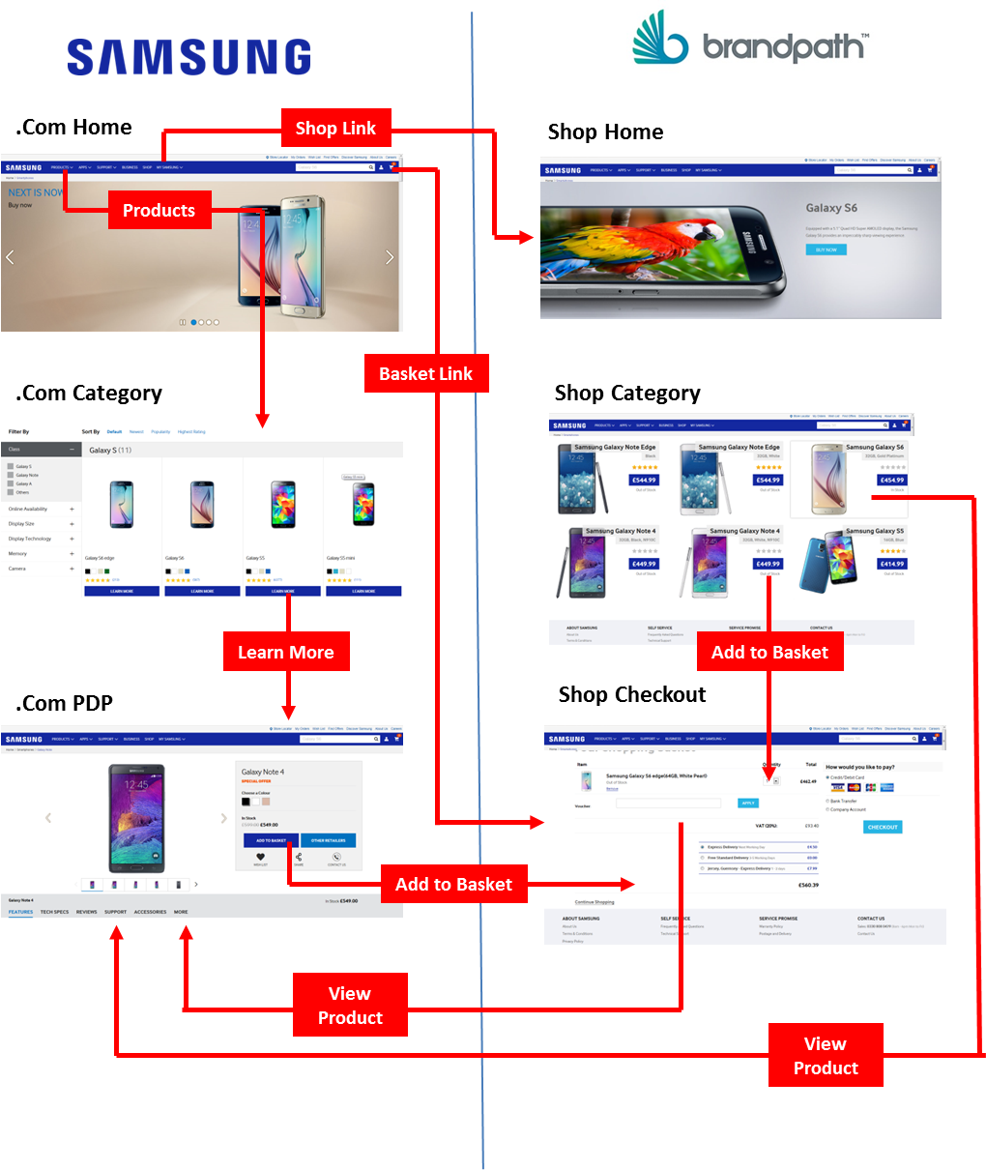

Screenshots
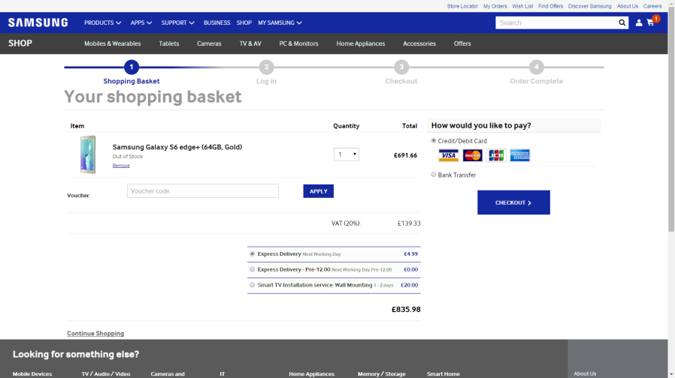
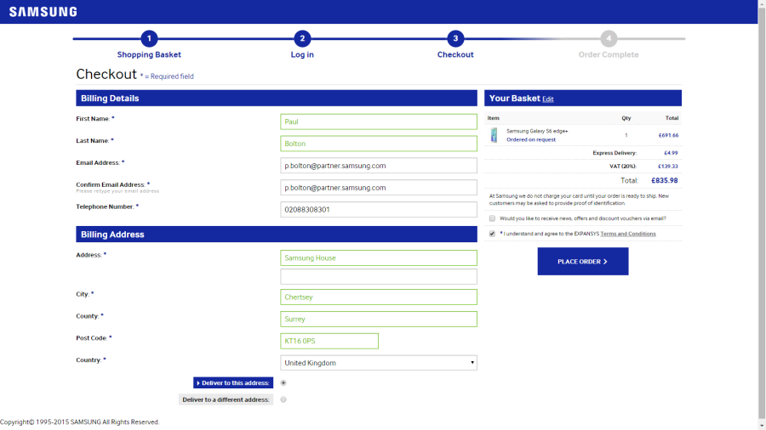
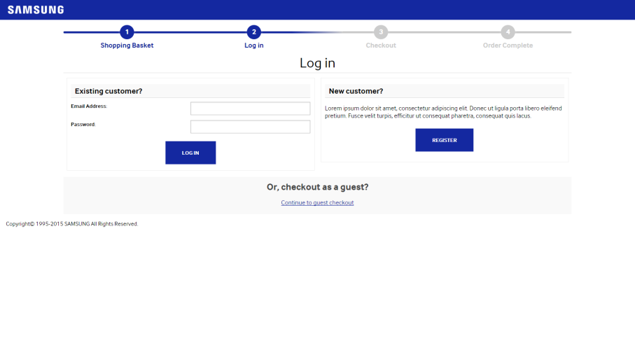
Homepage | Category Page | Added to basket
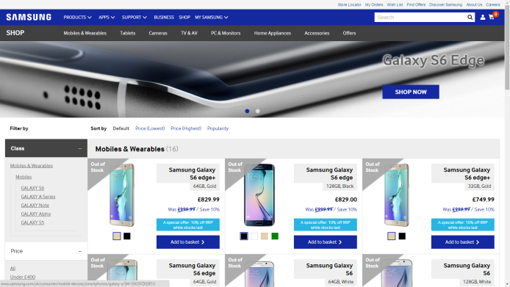
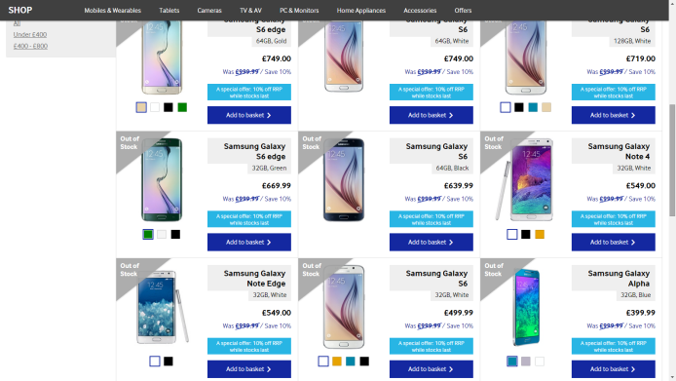
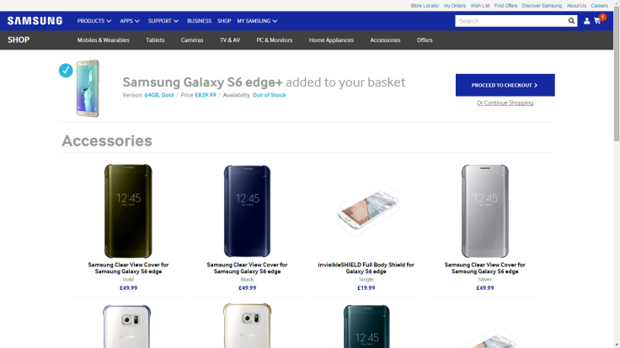
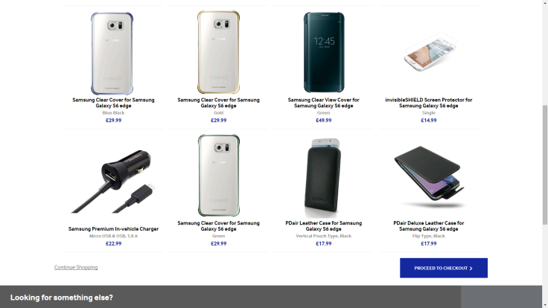

Basket Page | Login Page |  | Checkout Page

